LDBOND
LIC MF MEDIUM TO LONG DURATION FUND |  |  |  |  | Index

Monthly Portfolio Statement as on October 31,2025
Name of the Instrument | ISIN | Industry / Rating | Quantity | Market/Fair Value (Rounded, Rs. In Lacs) | Rounded, % to Net Assets | Yield

Debt Instruments
(a)Listed / Awaiting listing on stock Exchanges
7.1% Government of India | IN0020240019 | SOVEREIGN | 4,000,000.000 | 4,146.97 | 20.65% | 6.70%
7.7% State Government of Maharashtra | IN2220220205 | SOVEREIGN | 3,000,000.000 | 3,134.82 | 15.61% | 7.23%
7.8% State Government of Gujarat | IN1520220055 | SOVEREIGN | 2,500,000.000 | 2,656.67 | 13.23% | 7.15%
6.79% Government of India | IN0020240126 | SOVEREIGN | 1,650,000.000 | 1,679.87 | 8.37% | 6.69%
7.64% State Government of Maharashtra | IN2220220114 | SOVEREIGN | 1,500,000.000 | 1,560.17 | 7.77% | 7.15%
7.41% Government of India | IN0020220102 | SOVEREIGN | 1,000,000.000 | 1,070.50 | 5.33% | 6.96%
7.43% Jamnagar Utilities & Power Pvt. Ltd. ** | INE936D07190 | CRISIL AAA | 1,000.000 | 1,006.06 | 5.01% | 7.36%
7.34% Government of India | IN0020240035 | SOVEREIGN | 1,000,000.000 | 1,004.77 | 5.00% | 7.45%
6.68% Government of India | IN0020250042 | SOVEREIGN | 1,000,000.000 | 1,001.57 | 4.99% | 7.01%
6.33% Government of India | IN0020250026 | SOVEREIGN | 700,000.000 | 711.71 | 3.54% | 6.64%
8.47% National Bk for Agriculture & Rural Dev. ** | INE261F08AO5 | CRISIL AAA | 50.000 | 551.83 | 2.75% | 7.09%
7.62% Government of India | IN0020190024 | SOVEREIGN | 500,000.000 | 536.91 | 2.67% | 7.01%
6.9% Government of India | IN0020250018 | SOVEREIGN | 500,000.000 | 476.24 | 2.37% | 7.42%
Sub Total |  |  |  | 19,538.09 | 97.29%

(b)Privately Placed/Unlisted
Sub Total |  |  |  | NIL | NIL

(c)Securitised Debt Instruments
Sub Total |  |  |  | NIL | NIL

TOTAL |  |  |  | 19,538.09 | 97.31%

Others
Investment in Mutual fund
SBI CDMDF--A2 | INF0RQ622028 |  | 497.622 | 56.93 | 0.28%

TOTAL |  |  |  | 56.93 | 0.28%

Treps / Reverse Repo
Treps |  |  |  | 498.07 | 2.48%
Sub Total |  |  |  | 498.07 | 2.48%

TOTAL |  |  |  | 498.07 | 2.48%
Net Receivables / (Payables) |  |  |  | (14.69) | (0.07%)
GRAND TOTAL |  |  |  | 20,078.40 | 100.00%

** Non Traded Security

The product is suitable for investors who are seeking* | Riskometer - Scheme | First Tier Benchmark | Riskometer - First Tier Benchmark
LIC MF MEDIUM TO LONG DURATION FUND | 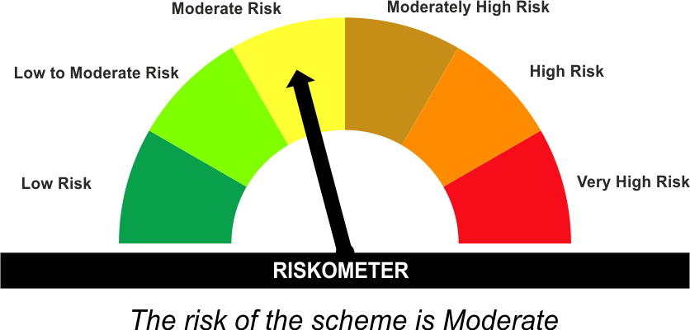 | CRISIL Medium to Long Duration Debt A-III Index | 
•Income Over Medium to long term
•To generate income/capital appreciation through investments in Debt / Money Market Instruments
•Risk – Moderate |  | •Risk - Moderate
“The Scheme and Benchmark riskometer disclosed above is latest available riskometer, for any updates please visit the AMC’s website (https://www.licmf.com/downloads/risk-o-meter-disclosure).

*Investors should consult their financial advisers if in doubt about whether the product is suitable for them.
Mutual Fund investments are subject to market risks, read all scheme related documents carefully.

 | Potential Risk Class
LDBOND | Credit Risk | Relatively Low (Class A) | Moderate (Class B) | Relatively High (Class C)
 | Interest Rate Risk
 | Relatively Low (Class I)
 | Moderate (Class II)
 | Relatively High (Class III) |  | B-III

 | Portfolio Information
Scheme Name : | LIC MF MEDIUM TO LONG DURATION FUND
Description (if any) | Medium to Long Duration Fund
Annualised Portfolio YTM* : | 6.95
Macaulay Duration | 6.78 Years
Residual Maturity | 10.39 Years
As on (Date) | 31 October 2025
* in case of semi annual YTM, it will be annualised
As the Regular and Direct plans have a common portfolio, the Portfolio yield given above is at the Scheme level

LDINPF
LIC MF BANKING & PSU FUND |  |  |  |  | Index

Monthly Portfolio Statement as on October 31,2025
Name of the Instrument | ISIN | Industry / Rating | Quantity | Market/Fair Value (Rounded, Rs. In Lacs) | Rounded, % to Net Assets | Yield

Debt Instruments
(a)Listed / Awaiting listing on stock Exchanges
8.37% National Highways Authority of India ** | INE906B07GN5 | CRISIL AAA | 1,000.000 | 11,135.03 | 5.91% | 6.64%
7.48% National Bk for Agriculture & Rural Dev. | INE261F08EO7 | CRISIL AAA | 10,500.000 | 10,794.31 | 5.73% | 6.74%
7.37% Indian Railway Finance Corporation Ltd. ** | INE053F08411 | CRISIL AAA | 9,500.000 | 10,074.91 | 5.35% | 6.74%
6.33% Government of India | IN0020250026 | SOVEREIGN | 6,500,000.000 | 6,608.75 | 3.51% | 6.64%
8.09% NLC India Ltd. ** | INE589A07037 | ICRA AAA | 600.000 | 6,466.27 | 3.43% | 6.67%
7.45% Export Import Bank of India ** | INE514E08GB4 | CRISIL AAA | 5,500.000 | 5,905.85 | 3.13% | 6.52%
7.83% Small Industries Development Bk of India ** | INE556F08KL3 | CRISIL AAA | 5,000.000 | 5,517.77 | 2.93% | 6.70%
7.6% Power Finance Corporation Ltd. ** | INE134E08MX3 | CRISIL AAA | 5,000.000 | 5,388.14 | 2.86% | 6.75%
7.41% Government of India | IN0020220102 | SOVEREIGN | 5,000,000.000 | 5,352.49 | 2.84% | 6.96%
7.59% National Housing Bank ** | INE557F08FY4 | CRISIL AAA | 5,000.000 | 5,238.31 | 2.78% | 6.58%
7.32% NTPC Ltd. ** | INE733E07KL3 | CRISIL AAA | 500.000 | 5,223.19 | 2.77% | 6.58%
7.46% REC Ltd. ** | INE020B08EK4 | CRISIL AAA | 5,000.000 | 5,217.50 | 2.77% | 6.67%
6.79% Government of India | IN0020240159 | SOVEREIGN | 5,000,000.000 | 5,199.58 | 2.76% | 6.72%
7.34% Small Industries Development Bk of India | INE556F08KS8 | CRISIL AAA | 5,000.000 | 5,115.41 | 2.71% | 6.80%
7.43% Jamnagar Utilities & Power Pvt. Ltd. ** | INE936D07190 | CRISIL AAA | 5,000.000 | 5,030.30 | 2.67% | 7.36%
7.05% Jio Credit Ltd. ** | INE282H07034 | CRISIL AAA | 5,000.000 | 5,016.00 | 2.66% | 7.07%
7.685% Tata Capital Housing Finance Ltd. ** | INE033L07IL7 | CRISIL AAA | 4,500.000 | 4,662.76 | 2.47% | 7.04%
7.49% Power Grid Corporation of India Ltd. ** | INE752E08601 | CRISIL AAA | 1,000.000 | 3,094.01 | 1.64% | 6.61%
6.68% Government of India | IN0020250042 | SOVEREIGN | 3,000,000.000 | 3,004.72 | 1.59% | 7.01%
8.27% National Highways Authority of India ** | INE906B07GP0 | CRISIL AAA | 250.000 | 2,742.81 | 1.46% | 6.64%
8.54% REC Ltd. ** | INE020B08BE3 | CRISIL AAA | 250.000 | 2,731.64 | 1.45% | 6.69%
7.14% Export Import Bank of India ** | INE514E08GD0 | CRISIL AAA | 2,500.000 | 2,700.12 | 1.43% | 6.65%
7.34% Nuclear Power Corporation ** | INE206D08469 | ICRA AAA | 250.000 | 2,691.63 | 1.43% | 6.77%
7.62% National Bk for Agriculture & Rural Dev. ** | INE261F08EH1 | CRISIL AAA | 2,500.000 | 2,653.45 | 1.41% | 6.78%
7.4% Power Finance Corporation Ltd. ** | INE134E08KQ1 | CRISIL AAA | 250.000 | 2,647.53 | 1.41% | 6.77%
7.34% REC Ltd. | INE020B08FL9 | CRISIL AAA | 2,500.000 | 2,644.81 | 1.40% | 6.77%
7.58% REC Ltd. ** | INE020B08FD6 | ICRA AAA | 2,500.000 | 2,643.49 | 1.40% | 6.74%
7.66% State Government of Gujarat | IN1520230195 | SOVEREIGN | 2,500,000.000 | 2,637.66 | 1.40% | 7.15%
7.18% Government of India | IN0020230085 | SOVEREIGN | 2,500,000.000 | 2,630.56 | 1.40% | 6.67%
7.49% Small Industries Development Bk of India | INE556F08KX8 | CRISIL AAA | 2,500.000 | 2,626.29 | 1.39% | 6.79%
8.14% Nuclear Power Corporation ** | INE206D08287 | CRISIL AAA | 250.000 | 2,616.57 | 1.39% | 6.48%
7.43% National Bk for Agriculture & Rural Dev. ** | INE261F08BX4 | ICRA AAA | 250.000 | 2,608.29 | 1.38% | 6.86%
6.87% REC Ltd. | INE020B08FU0 | ICRA AAA | 2,500.000 | 2,598.56 | 1.38% | 6.73%
7.41% Indian Oil Corporation Ltd. ** | INE242A08437 | FITCH AAA | 250.000 | 2,575.88 | 1.37% | 6.58%
7.57% Indian Railway Finance Corporation Ltd. ** | INE053F08353 | CRISIL AAA | 2,500.000 | 2,573.49 | 1.37% | 6.72%
7.6% Power Finance Corporation Ltd. ** | INE134E08IT9 | CRISIL AAA | 250.000 | 2,572.26 | 1.37% | 6.56%
6.64% Housing & Urban Development Corp Ltd. ** | INE031A08996 | ICRA AAA | 2,500.000 | 2,546.26 | 1.35% | 6.66%
6.79% Government of India | IN0020240126 | SOVEREIGN | 2,500,000.000 | 2,545.25 | 1.35% | 6.69%
6.73% Power Finance Corporation Ltd. ** | INE134E08NW3 | CRISIL AAA | 2,500.000 | 2,523.49 | 1.34% | 6.58%
7.02% Export Import Bank of India ** | INE514E08FH3 | CRISIL AAA | 150.000 | 1,615.59 | 0.86% | 6.78%
7.42% Small Industries Development Bk of India ** | INE556F08KW0 | CRISIL AAA | 1,500.000 | 1,597.85 | 0.85% | 6.80%
8.13% Nuclear Power Corporation ** | INE206D08378 | CRISIL AAA | 150.000 | 1,568.46 | 0.83% | 6.48%
6.61% Power Finance Corporation Ltd. ** | INE134E08NS1 | CRISIL AAA | 1,500.000 | 1,540.44 | 0.82% | 6.70%
6.47% Indian Railway Finance Corporation Ltd. ** | INE053F08510 | CRISIL AAA | 1,500.000 | 1,536.58 | 0.82% | 6.60%
6.57% National Bk for Agriculture & Rural Dev. ** | INE261F08CF9 | ICRA AAA | 100.000 | 1,026.01 | 0.54% | 6.64%
7.1% Government of India | IN0020240019 | SOVEREIGN | 750,000.000 | 777.56 | 0.41% | 6.70%
7.54% Government of India | IN0020220029 | SOVEREIGN | 500,000.000 | 545.25 | 0.29% | 6.88%
7.71% State Government of Gujarat | IN1520220279 | SOVEREIGN | 500,000.000 | 522.99 | 0.28% | 7.28%
7.47% State Government of Maharashtra | IN2220230121 | SOVEREIGN | 500,000.000 | 515.78 | 0.27% | 7.26%
Sub Total |  |  |  | 177,801.85 | 94.36%

(b)Privately Placed/Unlisted
Sub Total |  |  |  | NIL | NIL

(c)Securitised Debt Instruments
Sub Total |  |  |  | NIL | NIL

TOTAL |  |  |  | 177,801.85 | 94.37%

Money Market Instruments

Certificate of Deposit
HDFC Bank Ltd. # | INE040A16HF0 | CRISIL A1+ | 1,000.000 | 4,768.05 | 2.53% | 6.41%
Kotak Mahindra Bank Ltd. ** # | INE237AD6042 | CRISIL A1+ | 1,000.000 | 4,731.07 | 2.51% | 6.35%
Sub Total |  |  |  | 9,499.12 | 5.04%

TOTAL |  |  |  | 9,499.12 | 5.04%

Others
Investment in Mutual fund
SBI CDMDF--A2 | INF0RQ622028 |  | 4,488.177 | 513.49 | 0.27%

TOTAL |  |  |  | 513.49 | 0.27%

Treps / Reverse Repo
Treps |  |  |  | 600.10 | 0.32%
Sub Total |  |  |  | 600.10 | 0.32%

TOTAL |  |  |  | 600.10 | 0.32%
Net Receivables / (Payables) |  |  |  | 0.07 | 0.00%
GRAND TOTAL |  |  |  | 188,414.63 | 100.00%

# Unlisted Security
** Non Traded Security

The product is suitable for investors who are seeking* | Riskometer - Scheme | First Tier Benchmark | Riskometer - First Tier Benchmark
LIC MF Banking & PSU Fund |  | NIFTY Banking & PSU Debt Index A-II | 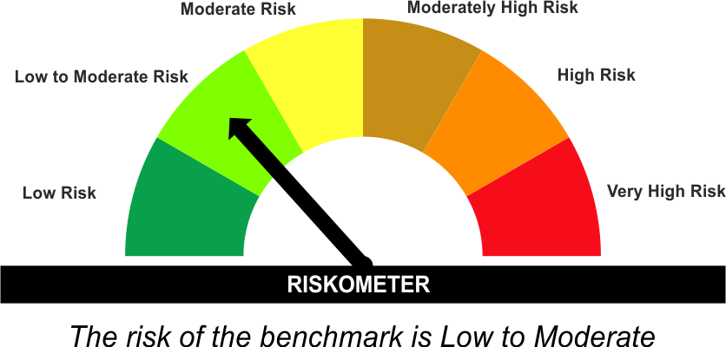
•Income for medium term capital appreciation with current income.
•An income fund that invests predominantly in debt and money market instruments issued by Banks, Public Sector Undertakings, Public Financial Institutions and Municipal Bonds
•Risk - Moderate |  | •Risk - Low To Moderate
“The Scheme and Benchmark riskometer disclosed above is latest available riskometer, for any updates please visit the AMC’s website (https://www.licmf.com/downloads/risk-o-meter-disclosure).

*Investors should consult their financial advisers if in doubt about whether the product is suitable for them.
Mutual Fund investments are subject to market risks, read all scheme related documents carefully.

 | Potential Risk Class
LDINPF | Credit Risk | Relatively Low (Class A) | Moderate (Class B) | Relatively High (Class C)
 | Interest Rate Risk
 | Relatively Low (Class I)
 | Moderate (Class II)
 | Relatively High (Class III) | A-III

 | Portfolio Information
Scheme Name : | LIC MF Banking & PSU Fund
Description (if any) | Banking and PSU Fund
Annualised Portfolio YTM* : | 6.68
Macaulay Duration | 3.51 Years
Residual Maturity | 4.14 Years
As on (Date) | 31 October 2025
* in case of semi annual YTM, it will be annualised
As the Regular and Direct plans have a common portfolio, the Portfolio yield given above is at the Scheme level

LDMIPF
LIC MF CONSERVATIVE HYBRID FUND |  |  |  |  | Index

Monthly Portfolio Statement as on October 31,2025
Name of the Instrument | ISIN | Industry / Rating | Quantity | Market/Fair Value (Rounded, Rs. In Lacs) | Rounded, % to Net Assets | Yield
Equity & Equity related
(a)Listed / Awaiting listing on Stock Exchanges
HDFC Bank Ltd. | INE040A01034 | Banks | 18,690.000 | 184.53 | 3.75%
Reliance Industries Ltd. | INE002A01018 | Petroleum Products | 10,113.000 | 150.32 | 3.05%
Infosys Ltd. | INE009A01021 | IT - Software | 8,896.000 | 131.87 | 2.68%
Shriram Finance Ltd. | INE721A01047 | Finance | 14,811.000 | 110.92 | 2.25%
Bharat Forge Ltd. | INE465A01025 | Auto Components | 6,226.000 | 82.48 | 1.68%
Axis Bank Ltd. | INE238A01034 | Banks | 6,498.000 | 80.11 | 1.63%
Hindustan Unilever Ltd. | INE030A01027 | Diversified FMCG | 3,194.000 | 78.75 | 1.60%
ICICI Bank Ltd. | INE090A01021 | Banks | 4,718.000 | 63.47 | 1.29%
Mahindra & Mahindra Ltd. | INE101A01026 | Automobiles | 1,516.000 | 52.87 | 1.07%
Sub Total |  |  |  | 935.32 | 19.00%
(b) Unlisted
Sub Total |  |  |  | NIL | NIL

TOTAL |  |  |  | 935.32 | 19.00%

Debt Instruments
(a)Listed / Awaiting listing on stock Exchanges
7.32% Government of India | IN0020230135 | SOVEREIGN | 500,000.000 | 540.65 | 10.99% | 6.31%
7.17% State Government of Karnataka | IN1920190106 | SOVEREIGN | 500,000.000 | 525.34 | 10.67% | 6.71%
6.79% Government of India | IN0020240159 | SOVEREIGN | 500,000.000 | 519.96 | 10.57% | 6.72%
7.17% Government of India | IN0020230036 | SOVEREIGN | 500,000.000 | 519.42 | 10.55% | 6.33%
7.65% State Government of Tamil Nadu | IN3120230260 | SOVEREIGN | 500,000.000 | 516.70 | 10.50% | 7.27%
6.79% Government of India | IN0020240126 | SOVEREIGN | 500,000.000 | 509.05 | 10.34% | 6.69%
8.13% Nuclear Power Corporation ** | INE206D08378 | CRISIL AAA | 40.000 | 418.26 | 8.50% | 6.48%
7.38% Government of India | IN0020220037 | SOVEREIGN | 200,000.000 | 210.49 | 4.28% | 5.80%
7.19% State Government of Tamil Nadu | IN3120190225 | SOVEREIGN | 150,000.000 | 157.66 | 3.20% | 6.82%
Sub Total |  |  |  | 3,917.53 | 79.60%

(b)Privately Placed/Unlisted
Sub Total |  |  |  | NIL | NIL

(c)Securitised Debt Instruments
Sub Total |  |  |  | NIL | NIL

TOTAL |  |  |  | 3,917.53 | 79.60%

Others
Investment in Mutual fund
SBI CDMDF--A2 | INF0RQ622028 |  | 157.192 | 17.98 | 0.37%

TOTAL |  |  |  | 17.98 | 0.37%

Treps / Reverse Repo
Treps |  |  |  | 59.63 | 1.21%
Sub Total |  |  |  | 59.63 | 1.21%

TOTAL |  |  |  | 59.63 | 1.21%
Net Receivables / (Payables) |  |  |  | (9.07) | (0.18%)
GRAND TOTAL |  |  |  | 4,921.39 | 100.00%

** Non Traded Security

The product is suitable for investors who are seeking* | Riskometer - Scheme | First Tier Benchmark | Riskometer - First Tier Benchmark
LIC MF CONSERVATIVE HYBRID FUND | 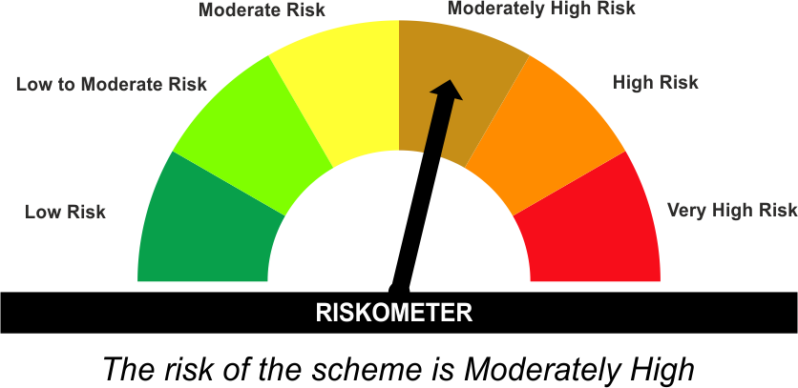 | CRISIL Hybrid 85+15 - Conservative Index
•Medium term capital appreciation with current income
•A fund that invests predominantly in debt instruments with marginal equity exposure.
•Risk - Moderately High |  | •Risk - Moderate
“The Scheme and Benchmark riskometer disclosed above is latest available riskometer, for any updates please visit the AMC’s website (https://www.licmf.com/downloads/risk-o-meter-disclosure).

*Investors should consult their financial advisers if in doubt about whether the product is suitable for them.
Mutual Fund investments are subject to market risks, read all scheme related documents carefully.

LDMNMF
LIC MF MONEY MARKET FUND |  |  |  |  | Index

Monthly Portfolio Statement as on October 31,2025
Name of the Instrument | ISIN | Industry / Rating | Quantity | Market/Fair Value (Rounded, Rs. In Lacs) | Rounded, % to Net Assets | Yield

Money Market Instruments

Certificate of Deposit
Bank of Baroda ** # | INE028A16JR6 | FITCH A1+ | 4,000.000 | 19,321.76 | 5.62% | 6.25%
National Bk for Agriculture & Rural Dev. ** # | INE261F16991 | CRISIL A1+ | 2,000.000 | 9,766.59 | 2.84% | 6.10%
Small Industries Development Bk of India ** # | INE556F16BH3 | CRISIL A1+ | 2,000.000 | 9,691.76 | 2.82% | 6.28%
Kotak Mahindra Bank Ltd. ** # | INE237AD6042 | CRISIL A1+ | 2,000.000 | 9,462.13 | 2.75% | 6.35%
Small Industries Development Bk of India ** # | INE556F16BL5 | CRISIL A1+ | 2,000.000 | 9,420.44 | 2.74% | 6.49%
Canara Bank ** # | INE476A16B64 | CRISIL A1+ | 1,500.000 | 7,332.93 | 2.13% | 6.07%
HDFC Bank Ltd. ** # | INE040A16HB9 | CRISIL A1+ | 1,500.000 | 7,209.43 | 2.10% | 6.26%
Punjab National Bank ** # | INE160A16RK5 | CRISIL A1+ | 1,100.000 | 5,377.19 | 1.56% | 6.09%
Kotak Mahindra Bank Ltd. ** # | INE237A164Z8 | CRISIL A1+ | 1,000.000 | 4,927.11 | 1.43% | 6.00%
Small Industries Development Bk of India ** # | INE556F16BB6 | CRISIL A1+ | 1,000.000 | 4,903.31 | 1.43% | 6.10%
National Bk for Agriculture & Rural Dev. ** # | INE261F16975 | CRISIL A1+ | 1,000.000 | 4,894.48 | 1.42% | 6.10%
National Bk for Agriculture & Rural Dev. # | INE261F16983 | CRISIL A1+ | 1,000.000 | 4,892.08 | 1.42% | 6.10%
National Bk for Agriculture & Rural Dev. ** # | INE261F16AA7 | CRISIL A1+ | 1,000.000 | 4,882.50 | 1.42% | 6.10%
HDFC Bank Ltd. # | INE040A16GW7 | CRISIL A1+ | 1,000.000 | 4,834.99 | 1.41% | 6.26%
Export Import Bank of India ** # | INE514E16CL5 | CARE A1+ | 1,000.000 | 4,828.84 | 1.41% | 6.22%
Axis Bank Ltd. ** # | INE238AD6AT7 | CRISIL A1+ | 1,000.000 | 4,816.33 | 1.40% | 6.27%
Axis Bank Ltd. ** # | INE238AD6AZ4 | CRISIL A1+ | 1,000.000 | 4,805.20 | 1.40% | 6.27%
Axis Bank Ltd. ** # | INE238AD6BD9 | CRISIL A1+ | 1,000.000 | 4,763.10 | 1.39% | 6.42%
HDFC Bank Ltd. ** # | INE040A16HL8 | CRISIL A1+ | 1,000.000 | 4,739.48 | 1.38% | 6.41%
HDFC Bank Ltd. ** # | INE040A16HN4 | CRISIL A1+ | 1,000.000 | 4,738.69 | 1.38% | 6.41%
National Bk for Agriculture & Rural Dev. ** # | INE261F16AB5 | CRISIL A1+ | 1,000.000 | 4,733.97 | 1.38% | 6.39%
Small Industries Development Bk of India ** # | INE556F16BK7 | CRISIL A1+ | 1,000.000 | 4,728.46 | 1.38% | 6.41%
Indian Bank ** # | INE562A16OL7 | FITCH A1+ | 900.000 | 4,399.37 | 1.28% | 6.05%
Axis Bank Ltd. ** # | INE238AD6BB3 | CRISIL A1+ | 600.000 | 2,897.95 | 0.84% | 6.27%
Indian Bank ** # | INE562A16OS2 | FITCH A1+ | 500.000 | 2,422.96 | 0.71% | 6.24%
AU Small Finance Bank Ltd. ** # | INE949L16DN2 | CRISIL A1+ | 500.000 | 2,421.53 | 0.70% | 6.65%
IDFC First Bank Ltd. ** # | INE092T16YH2 | CRISIL A1+ | 500.000 | 2,413.90 | 0.70% | 6.44%
HDFC Bank Ltd. ** # | INE040A16HP9 | CRISIL A1+ | 500.000 | 2,407.91 | 0.70% | 6.26%
Bank of Baroda ** # | INE028A16JF1 | FITCH A1+ | 500.000 | 2,390.14 | 0.70% | 6.36%
HDFC Bank Ltd. # | INE040A16HF0 | CRISIL A1+ | 500.000 | 2,384.03 | 0.69% | 6.41%
Axis Bank Ltd. ** # | INE238AD6BC1 | CRISIL A1+ | 500.000 | 2,381.95 | 0.69% | 6.42%
Small Industries Development Bk of India ** # | INE556F16BG5 | CRISIL A1+ | 200.000 | 976.34 | 0.28% | 6.10%
Canara Bank # | INE476A16A65 | CRISIL A1+ | 100.000 | 490.62 | 0.14% | 6.07%
Sub Total |  |  |  | 170,657.47 | 49.66%

Commercial Paper
Power Finance Corporation Ltd. ** | INE134E14AX6 | CRISIL A1+ | 3,000.000 | 14,587.70 | 4.25% | 6.25%
REC Ltd. ** | INE020B14698 | CRISIL A1+ | 3,000.000 | 14,454.33 | 4.21% | 6.24%
Bajaj Financial Securities Ltd. ** | INE01C314CS3 | CRISIL A1+ | 2,400.000 | 11,906.70 | 3.47% | 6.50%
ICICI Securities Ltd. | INE763G14ZH7 | CRISIL A1+ | 2,100.000 | 10,404.39 | 3.03% | 6.45%
NTPC Ltd. ** | INE733E14BU9 | FITCH A1+ | 1,500.000 | 7,342.49 | 2.14% | 6.07%
Angel One Ltd. ** | INE732I14BF3 | CRISIL A1+ | 1,000.000 | 4,979.80 | 1.45% | 7.40%
HDFC Securities Ltd. ** | INE700G14PY5 | CRISIL A1+ | 1,000.000 | 4,960.25 | 1.44% | 6.50%
Nuvama Wealth Finance Ltd. ** | INE918K14CN6 | CRISIL A1+ | 1,000.000 | 4,908.14 | 1.43% | 7.85%
360 One Prime Ltd. ** | INE248U14RY2 | ICRA A1+ | 1,000.000 | 4,888.87 | 1.42% | 7.48%
ICICI Securities Ltd. | INE763G14XX9 | CRISIL A1+ | 1,000.000 | 4,886.70 | 1.42% | 6.77%
HDFC Securities Ltd. ** | INE700G14QD7 | CRISIL A1+ | 1,000.000 | 4,880.04 | 1.42% | 6.80%
Kotak Mahindra Prime Ltd. | INE916D145K4 | CRISIL A1+ | 1,000.000 | 4,809.32 | 1.40% | 6.70%
360 One Prime Ltd. ** | INE248U14SL7 | ICRA A1+ | 1,000.000 | 4,785.58 | 1.39% | 7.83%
Hero Housing Finance Ltd. ** | INE800X14390 | CRISIL A1+ | 1,000.000 | 4,739.22 | 1.38% | 6.70%
Time Technoplast Ltd. ** | INE508G14HZ6 | ICRA A1+ | 700.000 | 3,398.44 | 0.99% | 7.57%
Time Technoplast Ltd. ** | INE508G14HR3 | ICRA A1+ | 500.000 | 2,474.02 | 0.72% | 7.52%
Time Technoplast Ltd. ** | INE508G14HU7 | ICRA A1+ | 500.000 | 2,454.90 | 0.71% | 7.54%
Time Technoplast Ltd. ** | INE508G14IA7 | ICRA A1+ | 500.000 | 2,415.36 | 0.70% | 7.71%
Nuvama Wealth Management Ltd. ** | INE531F14FD1 | CRISIL A1+ | 400.000 | 1,994.81 | 0.58% | 7.31%
Time Technoplast Ltd. ** | INE508G14HV5 | ICRA A1+ | 300.000 | 1,471.60 | 0.43% | 7.57%
360 One Prime Ltd. ** | INE248U14RI5 | ICRA A1+ | 200.000 | 989.49 | 0.29% | 7.05%
Piramal Enterprises Ltd. ** | INE140A145Y6 | CRISIL A1+ | 100.000 | 486.55 | 0.14% | 7.48%
Sub Total |  |  |  | 118,218.70 | 34.40%

Treasury Bill
364 DAYS TBILL RED 19-03-2026 | IN002024Z495 | SOVEREIGN | 10,000,000.000 | 9,796.50 | 2.85% | 5.49%
364 DAYS TBILL RED 17-09-2026 | IN002025Z252 | SOVEREIGN | 10,000,000.000 | 9,533.73 | 2.77% | 5.58%
364 DAYS TBILL RED 29-10-2026 | IN002025Z310 | SOVEREIGN | 10,000,000.000 | 9,476.46 | 2.76% | 5.57%
182 DAYS TBILL RED 29-01-2026 | IN002025Y180 | SOVEREIGN | 7,500,000.000 | 7,401.82 | 2.15% | 5.44%
182 DAYS TBILL RED 27-02-2026 | IN002025Y222 | SOVEREIGN | 3,113,700.000 | 3,059.46 | 0.89% | 5.48%
364 DAYS TBILL RED 29-01-2026 | IN002024Z420 | SOVEREIGN | 2,500,000.000 | 2,467.27 | 0.72% | 5.44%
364 DAYS TBILL RED 12-03-2026 | IN002024Z487 | SOVEREIGN | 1,500,000.000 | 1,471.01 | 0.43% | 5.49%
Sub Total |  |  |  | 43,206.25 | 12.57%

TOTAL |  |  |  | 332,082.42 | 96.63%

Others
Investment in Mutual fund
SBI CDMDF--A2 | INF0RQ622028 |  | 3,251.700 | 372.02 | 0.11%

TOTAL |  |  |  | 372.02 | 0.11%

Treps / Reverse Repo
Treps |  |  |  | 20,937.03 | 6.09%
Sub Total |  |  |  | 20,937.03 | 6.09%

TOTAL |  |  |  | 20,937.03 | 6.09%
Net Receivables / (Payables) |  |  |  | (9,769.00) | (2.83%)
GRAND TOTAL |  |  |  | 343,622.47 | 100.00%

# Unlisted Security
** Non Traded Security

LIC MF Arbitrage Fund has invested (inter scheme investments) in LIC MF Money Market Fund. Market value of such investments as on 31st Oct 2025 is 4091.57 lacs.

The product is suitable for investors who are seeking* | Riskometer - Scheme | First Tier Benchmark | Riskometer - First Tier Benchmark
LIC MF Money Market Fund |  | NIFTY Money Market Index A-I
•Income over short term.
•Investment in money market instruments with maturity upto one year.
•Risk – Low to Moderate |  | •Risk - Low To Moderate
“The Scheme and Benchmark riskometer disclosed above is latest available riskometer, for any updates please visit the AMC’s website (https://www.licmf.com/downloads/risk-o-meter-disclosure).

*Investors should consult their financial advisers if in doubt about whether the product is suitable for them.
Mutual Fund investments are subject to market risks, read all scheme related documents carefully.

 | Potential Risk Class
LDMNMF | Credit Risk | Relatively Low (Class A) | Moderate (Class B) | Relatively High (Class C)
 | Interest Rate Risk
 | Relatively Low (Class I) |  | B-I
 | Moderate (Class II)
 | Relatively High (Class III)

 | Portfolio Information
Scheme Name : | LIC MF Money Market Fund
Description (if any) | Money Market Fund
Annualised Portfolio YTM* : | 6.31
Macaulay Duration | 0.49 Years
Residual Maturity | 0.49 Years
As on (Date) | 31 October 2025
* in case of semi annual YTM, it will be annualised
As the Regular and Direct plans have a common portfolio, the Portfolio yield given above is at the Scheme level

LDONTF
LIC MF OVERNIGHT FUND |  |  |  |  | Index

Monthly Portfolio Statement as on October 31,2025
Name of the Instrument | ISIN | Industry / Rating | Quantity | Market/Fair Value (Rounded, Rs. In Lacs) | Rounded, % to Net Assets | Yield

Money Market Instruments

Commercial Paper
Indian Oil Corporation Ltd. | INE242A14YE5 | CRISIL A1+ | 1,500.000 | 7,497.68 | 8.75% | 5.64%
Sub Total |  |  |  | 7,497.68 | 8.75%

Treasury Bill
364 DAYS TBILL RED 06-11-2025 | IN002024Z305 | SOVEREIGN | 3,000,000.000 | 2,997.73 | 3.50% | 5.52%
182 DAYS TBILL RED 27-11-2025 | IN002025Y099 | SOVEREIGN | 1,500,000.000 | 1,494.31 | 1.74% | 5.35%
Sub Total |  |  |  | 4,492.04 | 5.24%

TOTAL |  |  |  | 11,989.72 | 13.99%

Treps / Reverse Repo
Reverse Repo |  |  |  | 31,803.98 | 37.12%
Treps |  |  |  | 41,840.08 | 48.84%
Sub Total |  |  |  | 73,644.06 | 85.96%

TOTAL |  |  |  | 73,644.06 | 85.96%
Net Receivables / (Payables) |  |  |  | 41.92 | 0.05%
GRAND TOTAL |  |  |  | 85,675.70 | 100.00%

The product is suitable for investors who are seeking* | Riskometer - Scheme | First Tier Benchmark | Riskometer - First Tier Benchmark
LIC MF Overnight Fund | 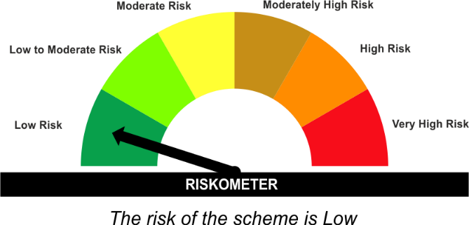 | NIFTY 1D Rate Index | 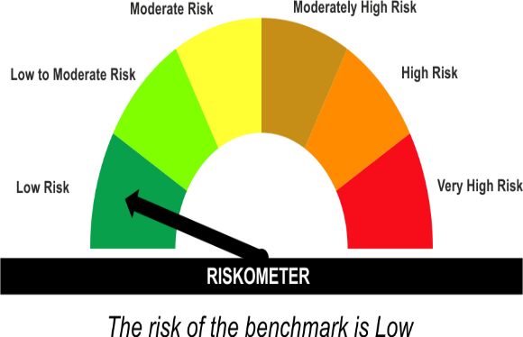
•Income with high levels of safety and liquidity over short term.
•Investment in debt and money market instruments with overnight maturity.
•Risk – Low |  | •Risk – Low
“The Scheme and Benchmark riskometer disclosed above is latest available riskometer, for any updates please visit the AMC’s website (https://www.licmf.com/downloads/risk-o-meter-disclosure).

*Investors should consult their financial advisers if in doubt about whether the product is suitable for them.
Mutual Fund investments are subject to market risks, read all scheme related documents carefully.

 | Potential Risk Class
LDONTF | Credit Risk | Relatively Low (Class A) | Moderate (Class B) | Relatively High (Class C)
 | Interest Rate Risk
 | Relatively Low (Class I) | A-I
 | Moderate (Class II)
 | Relatively High (Class III)

 | Portfolio Information
Scheme Name : | LIC MF Overnight Fund
Description (if any) | Overnight Fund
Annualised Portfolio YTM* : | 5.61
Macaulay Duration | 0.01 Years
Residual Maturity | 0.01 Years
As on (Date) | 31 October 2025
* in case of semi annual YTM, it will be annualised
As the Regular and Direct plans have a common portfolio, the Portfolio yield given above is at the Scheme level

LLIQDF
LIC MF LIQUID FUND |  |  |  |  | Index

Monthly Portfolio Statement as on October 31,2025
Name of the Instrument | ISIN | Industry / Rating | Quantity | Market/Fair Value (Rounded, Rs. In Lacs) | Rounded, % to Net Assets | Yield

Debt Instruments
(a)Listed / Awaiting listing on stock Exchanges
7.97% Tata Capital Housing Finance Ltd. ** | INE033L07HV8 | CRISIL AAA | 2,200.000 | 23,745.66 | 2.01% | 5.96%
7.8% Can Fin Homes Ltd. ** | INE477A07357 | ICRA AA+ | 600.000 | 6,093.16 | 0.52% | 6.46%
8.27% State Government of Tamil Nadu | IN3120150161 | SOVEREIGN | 500,000.000 | 516.57 | 0.04% | 5.65%
Sub Total |  |  |  | 30,355.39 | 2.57%

(b)Privately Placed/Unlisted
Sub Total |  |  |  | NIL | NIL

(c)Securitised Debt Instruments
Sub Total |  |  |  | NIL | NIL

TOTAL |  |  |  | 30,355.39 | 2.57%

Money Market Instruments

Certificate of Deposit
Kotak Mahindra Bank Ltd. ** # | INE237A162Z2 | CRISIL A1+ | 6,500.000 | 32,104.22 | 2.72% | 6.00%
Axis Bank Ltd. ** # | INE238AD6983 | CRISIL A1+ | 6,000.000 | 29,942.31 | 2.53% | 5.86%
HDFC Bank Ltd. ** # | INE040A16HQ7 | CRISIL A1+ | 5,000.000 | 24,795.78 | 2.10% | 5.90%
HDFC Bank Ltd. ** # | INE040A16HI4 | CRISIL A1+ | 4,000.000 | 19,896.40 | 1.68% | 5.94%
IndusInd Bank Ltd. ** # | INE095A16X85 | CRISIL A1+ | 4,000.000 | 19,885.72 | 1.68% | 6.17%
Axis Bank Ltd. ** # | INE238AD6BE7 | CRISIL A1+ | 4,000.000 | 19,874.08 | 1.68% | 5.93%
Axis Bank Ltd. ** # | INE238AD6BH0 | CRISIL A1+ | 4,000.000 | 19,848.44 | 1.68% | 5.93%
Punjab National Bank ** # | INE160A16SR8 | CRISIL A1+ | 4,000.000 | 19,847.94 | 1.68% | 5.95%
Kotak Mahindra Bank Ltd. # | INE237A163Z0 | CRISIL A1+ | 4,000.000 | 19,714.82 | 1.67% | 6.00%
Bank of Baroda ** # | INE028A16JT2 | FITCH A1+ | 3,500.000 | 17,322.87 | 1.47% | 6.02%
Canara Bank ** # | INE476A16D88 | CRISIL A1+ | 3,000.000 | 14,937.75 | 1.26% | 5.85%
IndusInd Bank Ltd. ** # | INE095A16Y76 | CRISIL A1+ | 3,000.000 | 14,901.77 | 1.26% | 6.17%
Canara Bank # | INE476A16ZQ5 | CRISIL A1+ | 3,000.000 | 14,901.17 | 1.26% | 5.90%
Bank of Baroda ** # | INE028A16JY2 | FITCH A1+ | 3,000.000 | 14,886.48 | 1.26% | 5.92%
National Bk for Agriculture & Rural Dev. ** # | INE261F16900 | CRISIL A1+ | 3,000.000 | 14,799.35 | 1.25% | 6.04%
Axis Bank Ltd. ** # | INE238AD6991 | CRISIL A1+ | 2,000.000 | 9,982.37 | 0.84% | 5.86%
IndusInd Bank Ltd. ** # | INE095A16X69 | CRISIL A1+ | 2,000.000 | 9,966.90 | 0.84% | 6.06%
Axis Bank Ltd. ** # | INE238AD6AX9 | CRISIL A1+ | 2,000.000 | 9,927.42 | 0.84% | 5.93%
HDFC Bank Ltd. # | INE040A16GA3 | CRISIL A1+ | 2,000.000 | 9,924.98 | 0.84% | 5.87%
Canara Bank ** # | INE476A16ZU7 | CRISIL A1+ | 2,000.000 | 9,923.53 | 0.84% | 5.86%
Bank of India ** # | INE084A16EJ7 | CRISIL A1+ | 2,000.000 | 9,913.63 | 0.84% | 6.00%
Canara Bank ** # | INE476A16A08 | CRISIL A1+ | 2,000.000 | 9,868.38 | 0.84% | 6.01%
National Bk for Agriculture & Rural Dev. ** # | INE261F16918 | CRISIL A1+ | 2,000.000 | 9,864.62 | 0.83% | 6.04%
Kotak Mahindra Bank Ltd. ** # | INE237A165Y8 | CRISIL A1+ | 1,000.000 | 4,980.03 | 0.42% | 5.85%
Canara Bank ** # | INE476A16ZO0 | CRISIL A1+ | 1,000.000 | 4,973.45 | 0.42% | 5.91%
Canara Bank ** # | INE476A16ZP7 | CRISIL A1+ | 1,000.000 | 4,972.65 | 0.42% | 5.91%
Punjab National Bank # | INE160A16QL5 | CRISIL A1+ | 1,000.000 | 4,967.61 | 0.42% | 5.95%
IndusInd Bank Ltd. ** # | INE095A16X93 | CRISIL A1+ | 1,000.000 | 4,931.08 | 0.42% | 6.38%
Canara Bank ** # | INE476A16ZV5 | CRISIL A1+ | 400.000 | 1,983.76 | 0.17% | 5.86%
Sub Total |  |  |  | 403,839.51 | 34.18%

Commercial Paper
Motilal Oswal Financial Services Ltd. ** | INE338I14LC5 | CRISIL A1+ | 8,000.000 | 39,710.16 | 3.36% | 6.66%
Small Industries Development Bk of India ** | INE556F14LK1 | CRISIL A1+ | 5,000.000 | 24,833.63 | 2.10% | 5.96%
National Bk for Agriculture & Rural Dev. ** | INE261F14OL0 | CRISIL A1+ | 5,000.000 | 24,810.40 | 2.10% | 5.93%
Indian Oil Corporation Ltd. ** | INE242A14YH8 | CRISIL A1+ | 4,500.000 | 22,390.52 | 1.90% | 5.95%
Reliance Retail Ventures Ltd. ** | INE929O14DT0 | CRISIL A1+ | 4,000.000 | 19,963.84 | 1.69% | 6.01%
National Bk for Agriculture & Rural Dev. ** | INE261F14OJ4 | CRISIL A1+ | 4,000.000 | 19,935.94 | 1.69% | 5.87%
Tata Projects Ltd. ** | INE725H14DE8 | CRISIL A1+ | 4,000.000 | 19,932.82 | 1.69% | 6.15%
Poonawalla Fincorp Ltd. ** | INE511C14YX9 | CRISIL A1+ | 4,000.000 | 19,915.08 | 1.69% | 6.49%
Reliance Retail Ventures Ltd. ** | INE929O14DZ7 | CRISIL A1+ | 4,000.000 | 19,914.74 | 1.69% | 6.01%
NTPC Ltd. ** | INE733E14BX3 | FITCH A1+ | 4,000.000 | 19,896.74 | 1.68% | 5.92%
Reliance Retail Ventures Ltd. ** | INE929O14EA8 | CRISIL A1+ | 4,000.000 | 19,894.92 | 1.68% | 6.03%
Birla Group Holdings Pvt Ltd. ** | INE09OL14IA4 | CRISIL A1+ | 4,000.000 | 19,708.24 | 1.67% | 6.84%
Godrej Housing Finance Ltd. ** | INE02JD14674 | CRISIL A1+ | 4,000.000 | 19,704.74 | 1.67% | 6.22%
IGH Holdings Private Ltd. ** | INE02FN14606 | CRISIL A1+ | 3,000.000 | 14,967.32 | 1.27% | 6.64%
Indian Oil Corporation Ltd. ** | INE242A14YI6 | CRISIL A1+ | 3,000.000 | 14,919.75 | 1.26% | 5.95%
Reliance Retail Ventures Ltd. ** | INE929O14ED2 | CRISIL A1+ | 3,000.000 | 14,901.62 | 1.26% | 6.03%
Tata Steel Ltd. ** | INE081A14GE4 | FITCH A1+ | 3,000.000 | 14,900.55 | 1.26% | 6.09%
Indian Oil Corporation Ltd. ** | INE242A14YL0 | CRISIL A1+ | 3,000.000 | 14,883.54 | 1.26% | 5.95%
ICICI Securities Ltd. ** | INE763G14B13 | CRISIL A1+ | 2,500.000 | 12,401.24 | 1.05% | 6.46%
Motilal Oswal Financial Services Ltd. ** | INE338I14KU9 | CRISIL A1+ | 2,000.000 | 9,978.65 | 0.84% | 6.51%
Godrej Finance Ltd. ** | INE02KN14572 | CRISIL A1+ | 2,000.000 | 9,964.92 | 0.84% | 6.43%
Godrej Finance Ltd. ** | INE02KN14580 | CRISIL A1+ | 2,000.000 | 9,959.52 | 0.84% | 6.45%
HDFC Securities Ltd. ** | INE700G14PM0 | CRISIL A1+ | 2,000.000 | 9,957.77 | 0.84% | 6.45%
Indian Oil Corporation Ltd. ** | INE242A14YJ4 | CRISIL A1+ | 2,000.000 | 9,948.11 | 0.84% | 5.95%
ICICI Securities Ltd. ** | INE763G14A30 | CRISIL A1+ | 2,000.000 | 9,943.60 | 0.84% | 6.47%
Bajaj Financial Securities Ltd. ** | INE01C314CP9 | CRISIL A1+ | 2,000.000 | 9,929.27 | 0.84% | 6.50%
Birla Group Holdings Pvt Ltd. ** | INE09OL14HW0 | CRISIL A1+ | 2,000.000 | 9,928.45 | 0.84% | 6.75%
HDFC Securities Ltd. ** | INE700G14PW9 | CRISIL A1+ | 2,000.000 | 9,922.25 | 0.84% | 6.50%
ICICI Securities Ltd. ** | INE763G14B39 | CRISIL A1+ | 2,000.000 | 9,915.76 | 0.84% | 6.46%
Axis Securities Ltd. ** | INE110O14GT0 | ICRA A1+ | 2,000.000 | 9,864.60 | 0.83% | 6.68%
Export Import Bank of India ** | INE514E14SI2 | CRISIL A1+ | 1,500.000 | 7,489.13 | 0.63% | 5.89%
360 One Wam Ltd. ** | INE466L14ES9 | ICRA A1+ | 1,500.000 | 7,484.44 | 0.63% | 6.90%
Export Import Bank of India ** | INE514E14SJ0 | CRISIL A1+ | 1,500.000 | 7,480.70 | 0.63% | 5.89%
Godrej Agrovet Ltd. ** | INE850D14UO6 | CRISIL A1+ | 1,500.000 | 7,474.54 | 0.63% | 6.22%
Godrej Industries Ltd. ** | INE233A144D1 | ICRA A1+ | 1,500.000 | 7,448.44 | 0.63% | 6.16%
Mirae Asset Fin Serv (India) Pvt. Ltd. ** | INE0JRU14255 | CRISIL A1+ | 1,000.000 | 4,983.35 | 0.42% | 6.78%
Fedbank Financial Services Ltd. ** | INE007N14ED9 | CRISIL A1+ | 1,000.000 | 4,978.19 | 0.42% | 6.96%
ICICI Securities Ltd. | INE763G14A71 | CRISIL A1+ | 1,000.000 | 4,965.52 | 0.42% | 6.50%
ICICI Securities Ltd. ** | INE763G14A14 | CRISIL A1+ | 500.000 | 2,489.55 | 0.21% | 6.39%
Hero Housing Finance Ltd. ** | INE800X14408 | CRISIL A1+ | 500.000 | 2,489.18 | 0.21% | 6.11%
Sub Total |  |  |  | 544,181.73 | 46.06%

Treasury Bill
91 DAYS TBILL RED 28-11-2025 | IN002025X224 | SOVEREIGN | 60,000,000.000 | 59,761.74 | 5.06% | 5.39%
91 DAYS TBILL RED 13-11-2025 | IN002025X208 | SOVEREIGN | 40,000,000.000 | 39,928.64 | 3.38% | 5.44%
91 DAYS TBILL RED 04-12-2025 | IN002025X232 | SOVEREIGN | 40,000,000.000 | 39,805.04 | 3.37% | 5.42%
182 DAYS TBILL RED 11-12-2025 | IN002025Y115 | SOVEREIGN | 30,000,000.000 | 29,822.79 | 2.52% | 5.42%
91 DAYS TBILL RED 15-01-2026 | IN002025X299 | SOVEREIGN | 25,000,000.000 | 24,724.98 | 2.09% | 5.41%
91 DAYS TBILL RED 29-01-2026 | IN002025X315 | SOVEREIGN | 25,000,000.000 | 24,672.73 | 2.09% | 5.44%
91 DAYS TBILL RED 11-12-2025 | IN002025X240 | SOVEREIGN | 20,000,000.000 | 19,881.86 | 1.68% | 5.42%
91 DAYS TBILL RED 18-12-2025 | IN002025X257 | SOVEREIGN | 15,483,500.000 | 15,376.25 | 1.30% | 5.42%
91 DAYS TBILL RED 20-11-2025 | IN002025X216 | SOVEREIGN | 15,000,000.000 | 14,958.26 | 1.27% | 5.36%
182 DAYS TBILL RED 27-11-2025 | IN002025Y099 | SOVEREIGN | 1,000,000.000 | 996.20 | 0.08% | 5.35%
Sub Total |  |  |  | 269,928.49 | 22.85%

TOTAL |  |  |  | 1,217,949.73 | 103.09%

Others
Investment in Mutual fund
SBI CDMDF--A2 | INF0RQ622028 |  | 25,684.193 | 2,938.49 | 0.25%

TOTAL |  |  |  | 2,938.49 | 0.25%
Net Receivables / (Payables) |  |  |  | (69,793.65) | (5.91%)
GRAND TOTAL |  |  |  | 1,181,449.96 | 100.00%

# Unlisted Security
** Non Traded Security

LIC MF Arbitrage Fund has invested (inter scheme investments) in LIC MF Liquid Fund. Market value of such investments as on 31st Oct 2025 is 1062.19 lacs.
LIC MF Equity Savings Fund has invested (inter scheme investments) in LIC MF Liquid Fund. Market value of such investments as on 31st Oct 2025 is 355.28 lacs.

The product is suitable for investors who are seeking* | Riskometer - Scheme | First Tier Benchmark | Riskometer - First Tier Benchmark
LIC MF Liquid Fund | 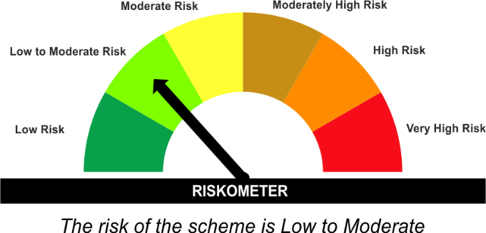 | CRISIL Liquid Debt A-I Index | 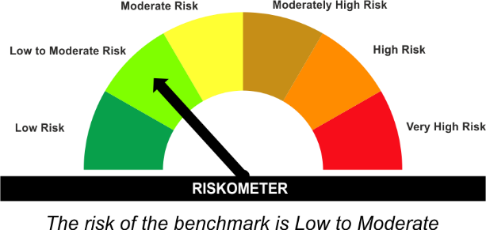
•Income for short term
•Investment in Debt/Money Market Instruments with maturity of upto 91 days.
•Risk – Low to Moderate |  | •Risk – Low to Moderate
“The Scheme and Benchmark riskometer disclosed above is latest available riskometer, for any updates please visit the AMC’s website (https://www.licmf.com/downloads/risk-o-meter-disclosure).

*Investors should consult their financial advisers if in doubt about whether the product is suitable for them.
Mutual Fund investments are subject to market risks, read all scheme related documents carefully.

 | Potential Risk Class
LLIQDF | Credit Risk | Relatively Low (Class A) | Moderate (Class B) | Relatively High (Class C)
 | Interest Rate Risk
 | Relatively Low (Class I) |  | B-I
 | Moderate (Class II)
 | Relatively High (Class III)

 | Portfolio Information
Scheme Name : | LIC MF Liquid Fund
Description (if any) | Liquid Fund
Annualised Portfolio YTM* : | 6.30
Macaulay Duration | 0.12 Years
Residual Maturity | 0.12 Years
As on (Date) | 31 October 2025
* in case of semi annual YTM, it will be annualised
As the Regular and Direct plans have a common portfolio, the Portfolio yield given above is at the Scheme level

